Content
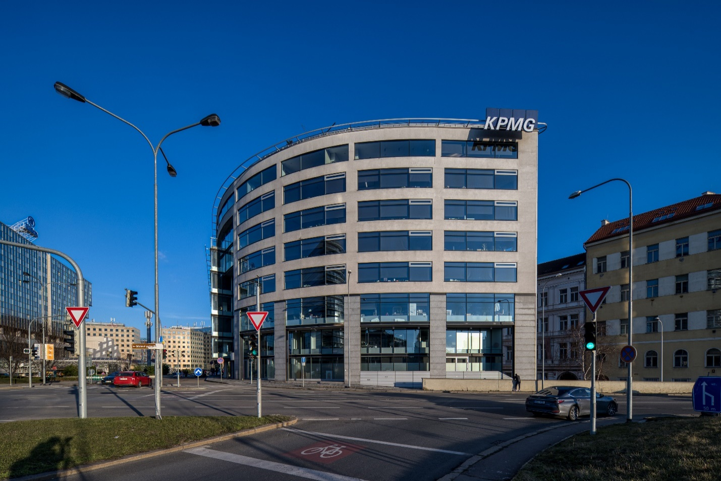
FLORENC OFFICE CENTRE
FLORENC OFFICE CENTRE

Content | Description
Property Fact sheet | Key facts of the Property.
Tenancy Schedule | Detailed tenancy schedule on tenant by tenant basis. Including HoTs.
Lease summary | Overview of the current lease term with KPMG
Unexpired Incentives | Unexpired tenant incentives overview.
Service charge | Overview of OPEX.
Capex Overview | Overview of recent major capex items.
Bank financing | Overview of current thirparty financing conditions.
Site | Summary and breakdown of the tax book value and additional site information.
Floorplan | Property floorplans sample.
Stacking Plan | Stacking plan.
Suppliers | Overview of current suppliers.
Technical overview | Basic technical information about property
Area Overview | Essential analysis of areas, occupancy, income.

Contacts:
Jakub Stanislav Senior Director Jakub.Stanislav@cbre.com M +420 735 729 410 | Tomáš Krus Senior Investment Consultant Tomas.Krus@cbre.com M +420 777 024 204 | Iulia Szabo Senior Investment Consultant Iulia.Szabo@cbre.com M +420 777 478 687

Disclaimer
This Financial Pack and the proposed transaction are confidential. By accepting it the recipient agrees to keep permanently confidential information contained herein and any further information provided by CBRE in relation to the proposed transaction. This Financial Pack and any further information provided are not to be copied, reproduced or distributed to any third parties without the prior written consent of CBRE. Furthermore, the information is being supplied to the recipient on the express understanding that it shall be used only to assess whether the recipient is interested in the contemplated transaction. This Financial Pack and any further information provided remain at all times the property of CBRE. Upon request, the recipient is to return or irrevocably delete promptly all documents and data received in relation to the contemplated transaction without retaining any copies or derivative information.

Site
SITE
FLORENC OFFICE CENTRE

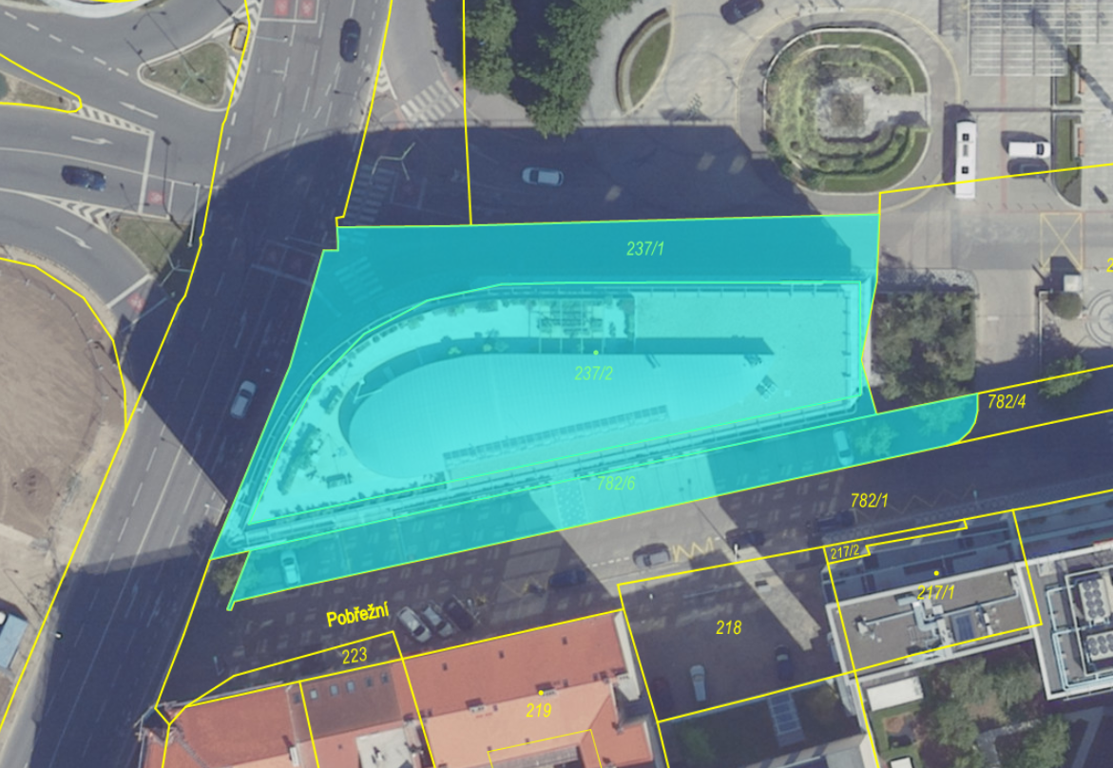
Hotel Hilton
Tax Book Value as of 31.12.2025 |  |  | Area
 | CZK | EUR
Building | 374,901,301 | 15,428,037
Other | 1,302,372 | 53,596
Land | 51,824,688 | 2,132,703
TOTAL | 428,028,361 | € 17,614,336
Incl Tangible fixed assets

Structure
Owner | KAIM offshore one Luxembourg S.à r.l. (100%)
SPV | Florenc Office Center s.r.o.
Property | Florenc Office Center

Land Split
Land plot no. | Cadastre area | Size (sqm)
237/1 | Karlín | 889
237/2 | Karlín | 1,293
782/6 | Karlín | 495
Total |  | 2,677
Registered under the ownership deed 585
The land plots are located within a protected heritage site.

Easements
There is a right of way on the land, allowing access, passage, and transit for pedestrians and vehicles, for the benefit of the hotel Hilton. There are no costs related to the easements. Property cleaning service maintains the sidewalk around the building. Road is maintained by the municipality.
Additionally, there are easements in favor of infrastructure providers, including: PREdistribuce; GTS and Cetin.

Risk of Flooding
The Property is located in a designated flood risk zone of the right bank of Vltava river.
There is an existing documentation for local flood mitigation measures that could be assembled along the southern and eastern façade in case of flood emergency.
In addition to the physical measures, there is a flood emergency plan in place (last version from 2025).

Floorplan
FLOORPLAN
FLORENC OFFICE CENTRE
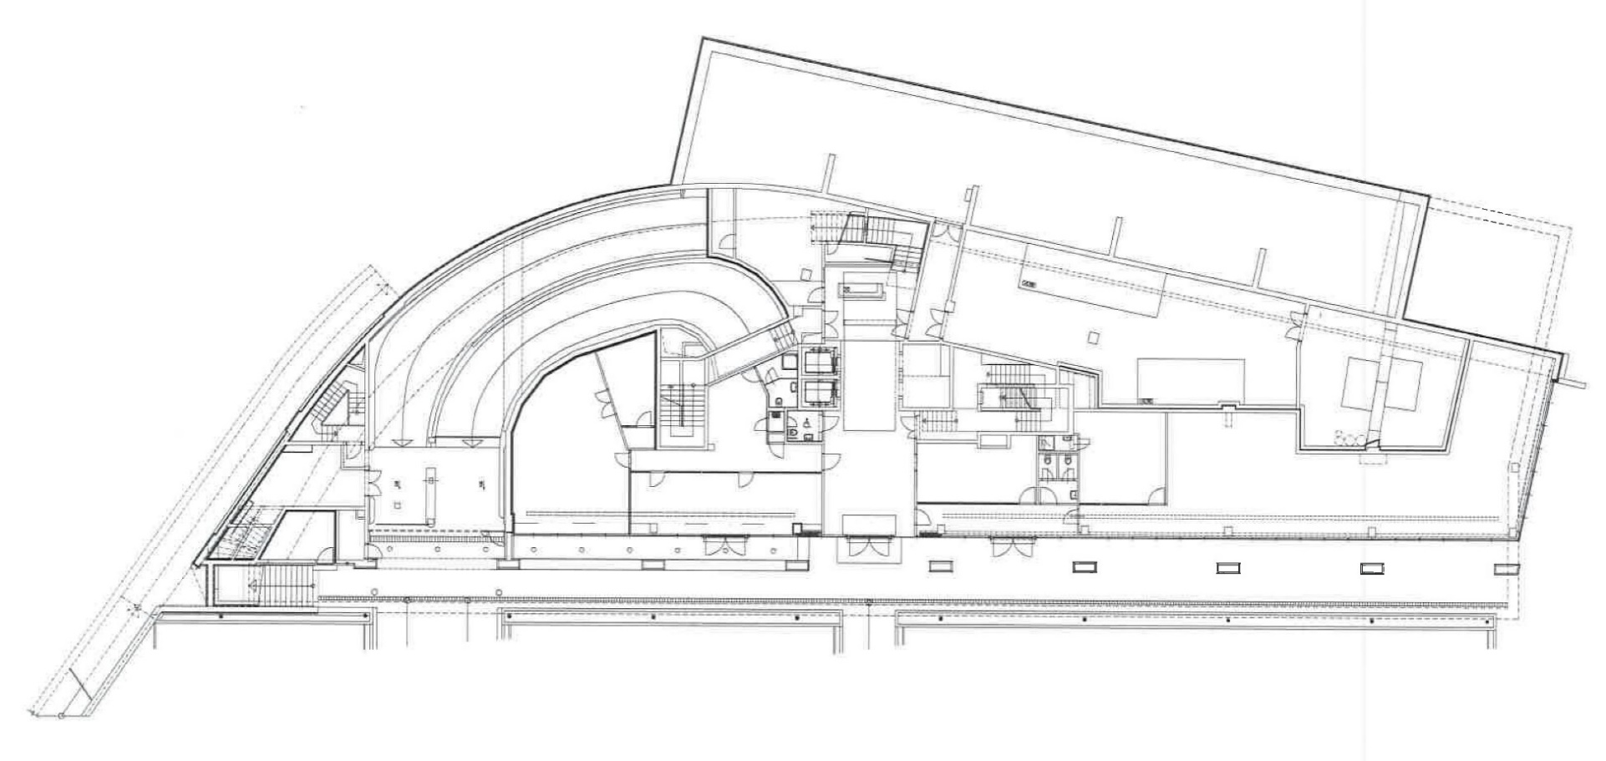
Lower Ground Floor

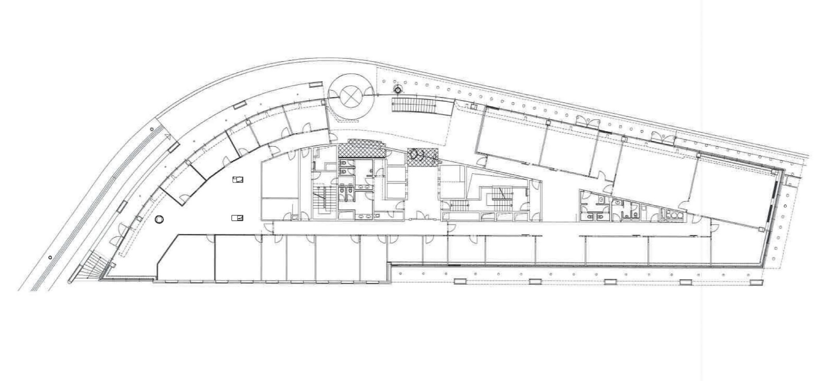
Upper Ground Floor

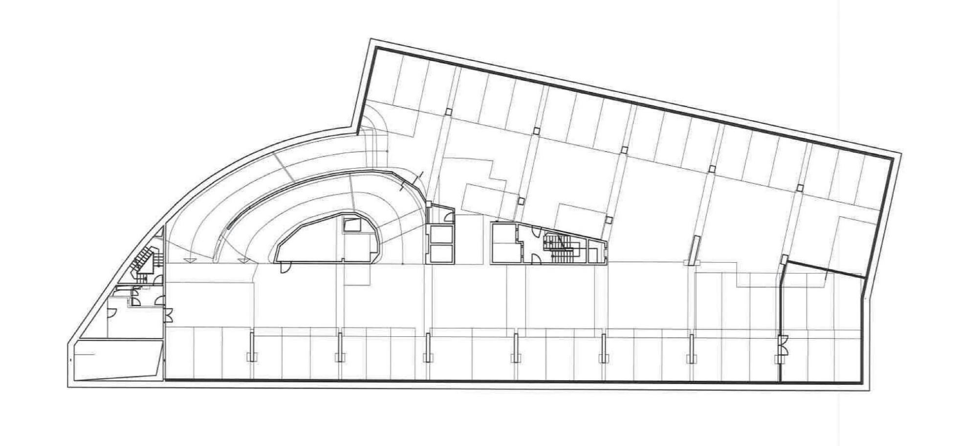
-1st Floor

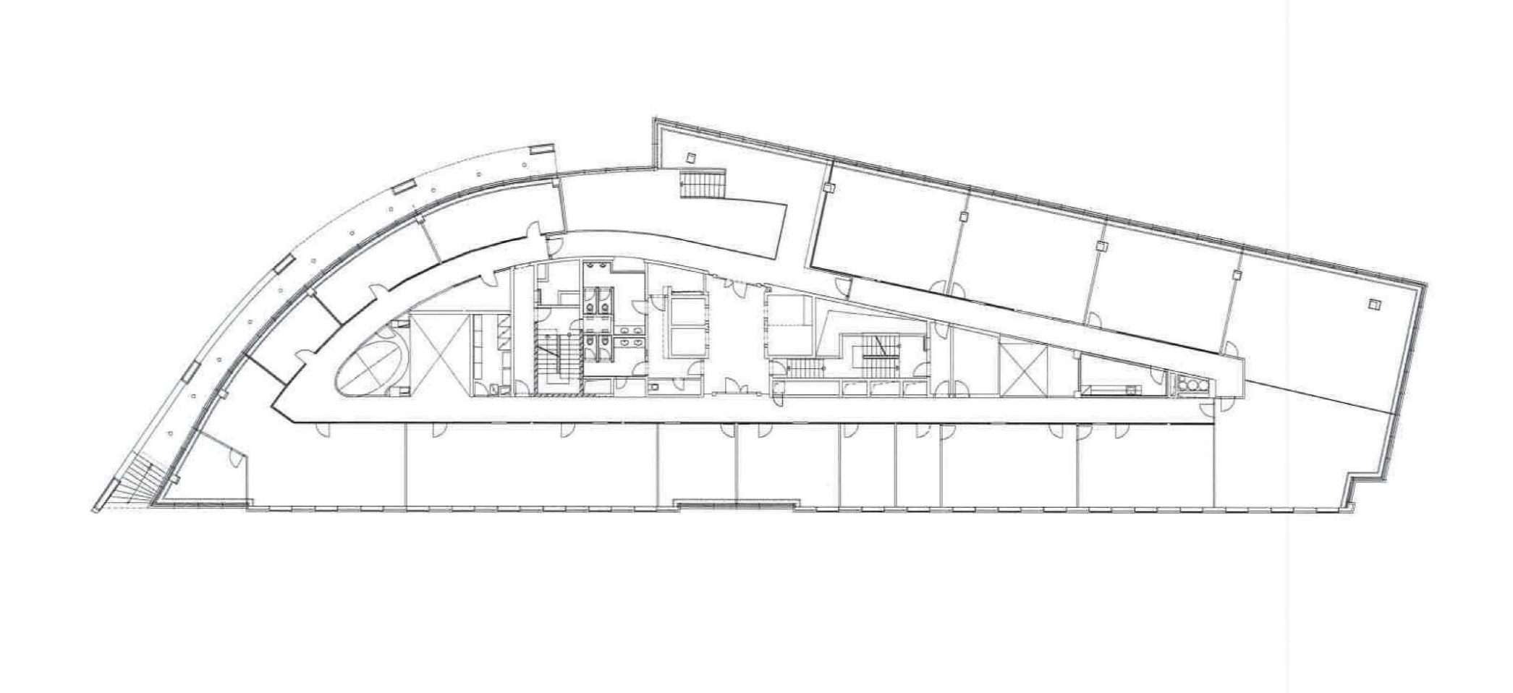
1st Floor

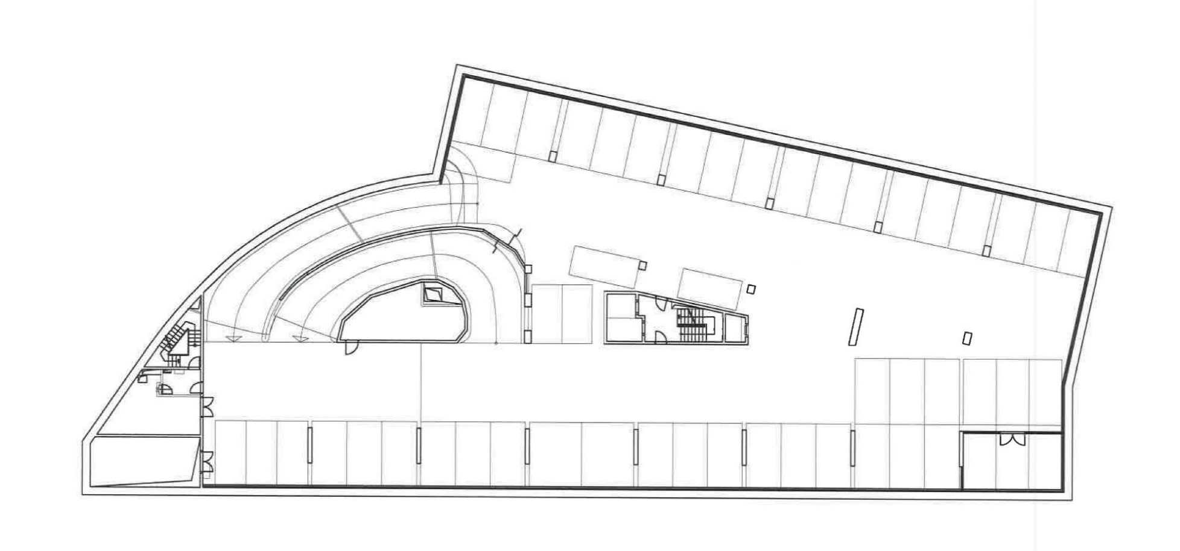
-2nd Floor

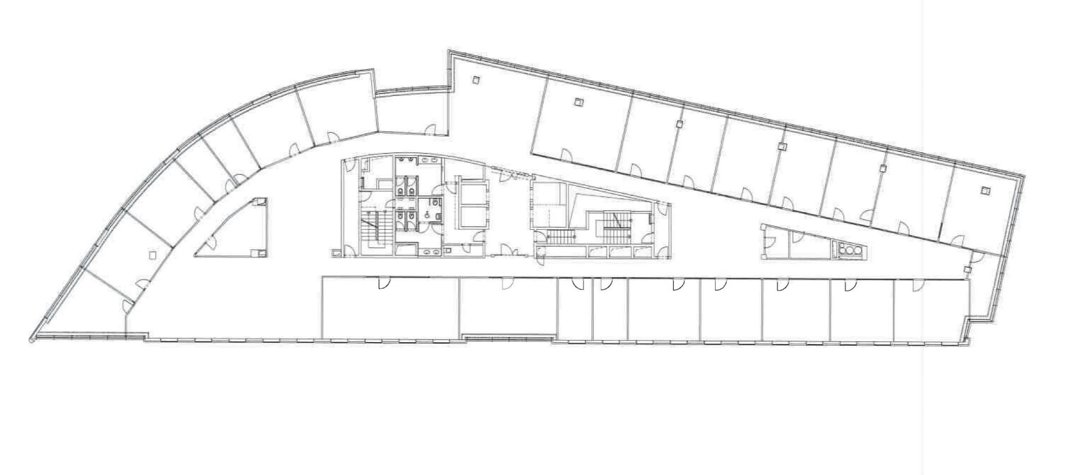
2nd - 7th Floor (with minor changes)

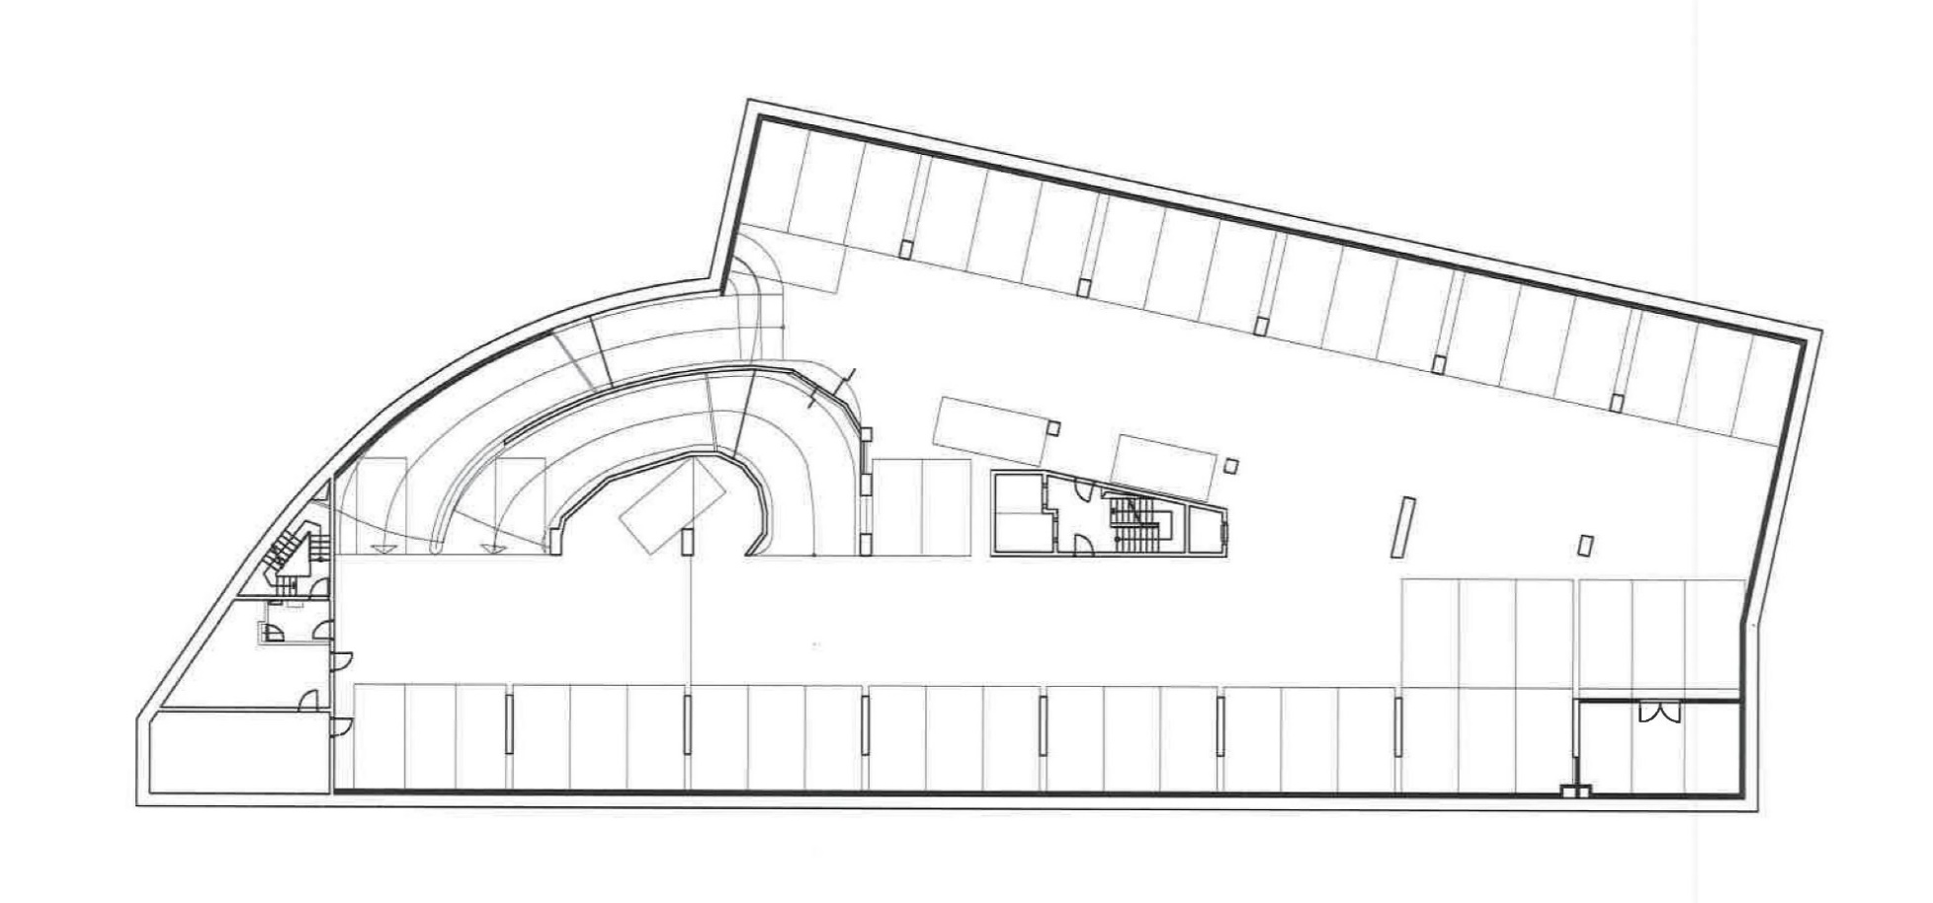
-3rd Floor
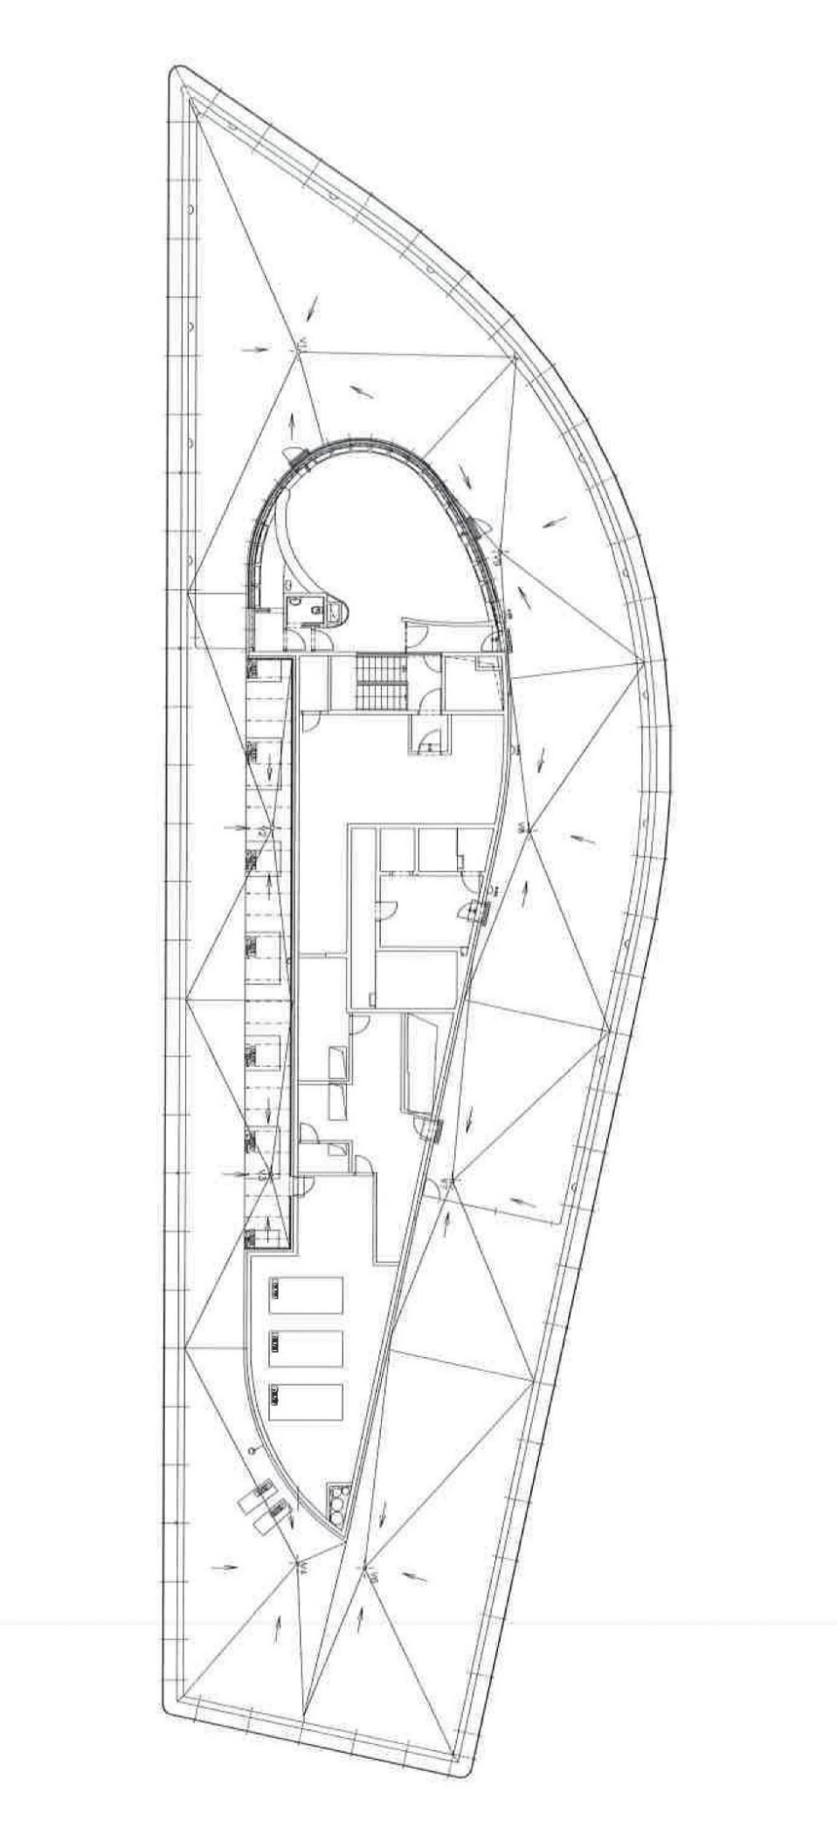
8th Floor

Stacking Plan
STACKING PLAN
FLORENC OFFICE CENTRE

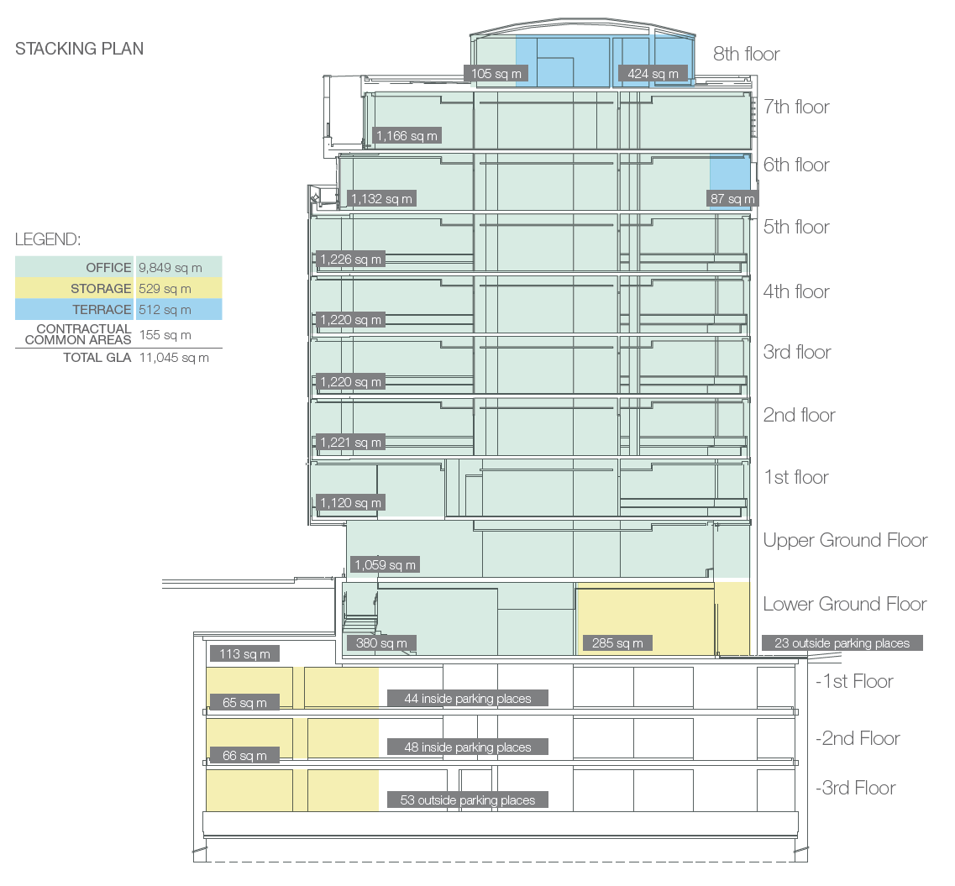

Area Overview
AREA OVERVIEW
FLORENC OFFICE CENTRE

Area Type | GLA | Units | Share (%) | Rent p.a. | Avg. Rent
Office | 9,849 sqm | - | 89.2% | € 2,320,004 | € 19.6
Terrace | 512 sqm | - | 4.6% | € 30 | € 0.0
Storage | 529 sqm | - | 4.8% | € 56,239 | € 8.9
Add on | 155 sqm | - | 1.4% | € 36,527 | € 19.6
Parking | 0 sqm | 168 space(s) | 0.0% | € 285,397 | € 141.6
Other | 0 sqm | 2 | 0.0% | € 9,465 | € 394.4
Total | 11,045 sqm | 168 spaces | 100% | € 2,707,662
Area breakdown
Income breakdown

